Feuil1
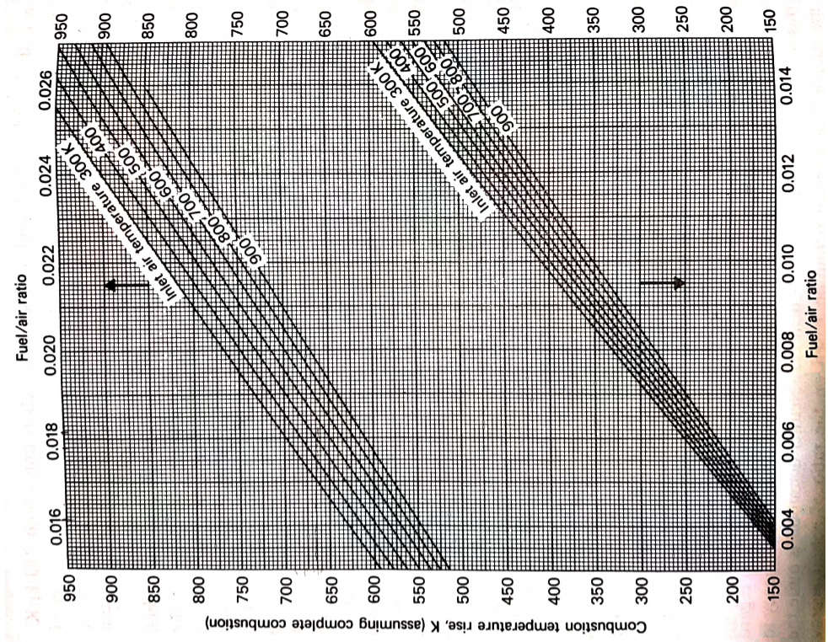
inlet air temperature (K) | temperature rise bornes 1A (K) | fuel/air ratio borne 1A | temperature rise bornes 1B (K) | fuel/air ratio borne 1B | temperature rise bornes 2A (K) | fuel/air ratio borne 2A | temperature rise bornes 2B (K) | fuel/air ratio borne 2B
300 | 597.347 | 0.015 | 150 | 0.0035 | 950 | 0.0255 | 594.082 | 0.015
400 | 581.02 | 0.015 | 150 | 0.0036 | 950 | 0.026217 | 581.02 | 0.015
500 | 564.694 | 0.015 | 150 | 0.0037 | 950 | 0.027 | 567.959 | 0.015
600 | 551.633 | 0.015 | 150 | 0.0038 | 933.673 | 0.027 | 548.367 | 0.015
700 | 521.168 | 0.015 | 150 | 0.0039 | 914.082 | 0.027 | 535.306 | 0.015
800 | 538.571 | 0.015 | 150 | 0.004 | 894.49 | 0.027 | 528.776 | 0.015
900 | 515.714 | 0.015 | 150 | 0.004174 | 850 | 0.027 | 515.714 | 0.015

